BOM
 | 8603 BALFOUR 0149 BOM QUOTE 8-25-25

 | 0 | lines missing prices!

 | Referral by:
 | Longest Lead Time: |  | weeks to ship |  |  |  |  |  |  |  |  |  |  | 0 | lines missing prices!

 | Total Components: | Components | Lines
 | SMT: | 0 | 0
 | Fine Pitch, QFP, QFN, or BGA: | 0 | 0
 | Through Hole: | 34 | 23
 | Hand Assy: | 1 | 1
 | TOTAL | 36 | 25
 | notes:
ECQ-B1H102JF, QYX1H102JTP: Obsolete, quoted Kemet R82EC1100SH50J; 4N32: Obsolete but stock available; MPSA42: quoted ONsemi

 |  |  |  |  |  |  |  |  |  | Total | Adj. Total | Total w/ atr
 |  |  |  |  |  |  |  |  | EA 50 | 21.93 | 22.04 | 25.63
 |  |  |  |  |  |  |  |  | EA 50+ | 1.06 | 23.36 | 14.42%

 |  |  |  |  |  |  | QQTY | 50 | 50 | 50 | 50 | 50
Item# | Description | Mfg | Mfg P/N | Qty | SMT/TH | Loc | 50 | Price | Tariff | Total | Adj. Total | Attr. Cost | Notes | Package Type |  | CHECK FOR BLANK PRICING
5 | UL1429 WIRE 24AWG 7 STRAND ANY COLOR OK TO USE PC BOARD,DC OVERCURRENT RELAY,OUTPUT MODULE (INSTALL JUMPER BETWEEN THE HOLE ABOVE L1 AND THE HOLE BETWEEN PADS P3 AND P4, 2.25" LENGTH 1/4" STRIP BOTH SIDES, WIRE LIST 24 KOMAX, LEAVE ROOM FOR RELIEF AS SEEN IN PICTURE) | ANIXTER | 1429-24/7-0 | 1 | HAND | SEE PICTURE BELOW | 50 | $0.25 |  | 0.25 | 0.25 | 5.00 | ACI Stock
5 | ZSUB FOR ABOVE | ANIXTER | 1429-22/7-0 |  |  |  | 0 |  |  | 0.00 | 0.00 | 0.00 |  | BULK
10 | CAP FILM 0.1UF 5% 50VDC RADIAL TH | CORNELL DUBILIER | DSF050J104 |  |  |  | 0 |  |  | 0.00 | 0.00 | 0.00 |  | BULK
10 | ZSUB FOR ABOVE | CORNELL DUBILIER | 185104J63RAA-F | 5 | TH | C1,C2,C3,C4,C5 | 250 | $0.60 | $0.12 | 3.61 | 3.61 | 7.22 | Mouser | AMMO PACK
15 | CAP FILM 1000PF 5% 50VDC RADIAL TH | PANASONIC | ECQ-B1H102JF |  |  | C6 | 0 |  |  | 0.00 | 0.00 | 0.00 | Obsolete, Not quoted | BULK
15 | ZSUB FOR ABOVE | NICHICON | QYX1H102JTP |  |  | C6 | 0 |  |  | 0.00 | 0.00 | 0.00 | Obsolete, Not quoted | BULK
15 | ZSUB FOR ABOVE | Kemet | R82EC1100SH50J | 1 | TH | C6 | 50 | 0.12 |  | 0.12 | 0.12 | 11.60 | sub per Adam | BULK
20 | CAP FILM 0.47UF 10% 250VDC RAD TH | PANASONIC | ECQ-E2474KF | 1 | TH | C7 | 50 | $0.41 | $0.04 | 0.45 | 0.45 | 6.82 | Newark | BULK
25 | RES 1K OHM 1% 1/4W AXIAL TH | YAGEO | MFR-25FBF52-1K | 2 | TH | R9, R11 | 100 | $0.03 | $0.01 | 0.06 | 0.06 | 7.75 | Mouser | BULK
30 | RES 1M OHM 1% 1/4W AXIAL TH | YAGEO | MFR-25FBF52-1M | 1 | TH | R6 | 50 | $0.03 | $0.01 | 0.04 | 0.05 | 8.75 | Mouser | BULK
35 | DIODE GEN PURP 1KV 1A DO204AL TH PURPLE WIRE | VISHAY | 1N4007-E3/73 | 2 | TH | D6, D7 | 100 | $0.08 | $0.03 | 0.22 | 0.22 | 10.80 | Mouser | AMMO PACK
40 | DIODE GEN PURP 75V 150MA DO35 | MCC | 1N4148-TP | 3 | TH | D4, D10, D11 | 150 | $0.14 | $0.04 | 0.54 | 0.54 | 6.27 | Mouser | REEL
45 | DIODE ZENER 10V 500MW DO35 | ONSEMI | 1N5240B | 1 | TH | ZD3 | 50 | $0.05 | $0.02 | 0.07 | 0.07 | 9.75 | Mouser | BULK
50 | RES 2K OHM 1% 1/4W AXIAL | YAGEO | MFR-25FBF52-2K | 1 | TH | R5 | 50 | $0.03 | $0.01 | 0.04 | 0.05 | 8.75 | Mouser | BULK
55 | BJT NPN, 40 V, 600 MA, 625 MW, TO-92, TH | MULTICOMP PRO | 2N4401 | 1 | TH | Q2 | 50 | $0.17 | $0.03 | 0.20 | 0.20 | 7.14 | Newark | AMMO PACK
60 | SCR 400V 16A TO220AB TH | LITTELFUSE | 2N6403G | 1 | TH | D12 | 50 | $1.52 | $0.15 | 1.67 | 1.67 | 8.36 | Mouser | REEL
65 | SEMICONDUCTOR,MOSFET,N-CHANNEL,600 VOLT,0.2A TH | ST MICRO | STQ1NK60ZR-AP | 1 | TH | Q5 | 50 | $0.34 | $0.10 | 0.44 | 0.44 | 6.54 | Mouser | AMMO PACK
70 | RES 3.16K OHM 1% 1/4W AXIAL | YAGEO | MFR-25FBF52-3K16 | 1 | TH | R8 | 50 | $0.03 | $0.01 | 0.04 | 0.05 | 8.75 | Mouser | BULK
75 | OPTOISO 5.3KV DARL W/BASE 6DIP TH | VISHAY | 4N32 | 1 | TH | U2 | 50 | 0.90 |  | 0.90 | 0.90 | 9.00 | Obsolete, 972 in stock at RS | BULK
75 | ZSUB FOR ABOVE | ROSENBERGER | 88K203-302L5 |  |  |  | 0 |  |  | 0.00 | 0.00 | 0.00 | cannot find MPN
80 | RES 10 OHM 5% 3W AXIAL (RAISE 1/8 INCH) | PANASONIC | ERG-3SJ100 | 1 | TH | R12 | 50 | 1.43 |  | 1.43 | 1.43 | 7.15 | Obsolete, Quest
85 | RES 10M OHM 5% 1/8W AXIAL | STACKPOLE | CF18JT10M0 | 2 | TH | R2, R7 | 100 | $0.01 | $0.00 | 0.03 | 0.05 | 3.50 | Mouser | REEL
90 | RES 100K OHM 1% 1/4W AXIAL | YAGEO | MFR-25FBF52-100K | 2 | TH | R3, R10 | 100 | $0.03 | $0.01 | 0.06 | 0.06 | 7.75 | Mouser | BULK
95 | INDUCTOR 0.1MH 1.2A TH | COILCRAFT | DC1012-104L | 1 | TH | L1 | 50 | $1.25 | $0.31 | 1.56 | 1.56 | 7.79 | Quest | TRAY
100 | IC MULTIVIBRATOR 100NS 16DIP TH | TEXAS INSTRUMENTS | CD14538BE | 1 | TH | U1 | 50 | $1.12 | $0.11 | 1.23 | 1.23 | 6.16 | Mouser | TUBE
100 | ZSUB FOR ABOVE | ONSEMI | CD4538BCN |  |  |  | 0 |  |  | 0.00 | 0.00 | 0.00 |  | TUBE
105 | BJT NPN, 300 V, 500 MA, 625 MW, TO-92, TH | MULTICOMP PRO | MPSA42 | 2 | TH | Q3, Q4 | 100 | $0.14 | $0.04 | 0.35 | 0.35 | 6.20 | Mouser, quoted Onsemi | BULK
110 | RELAY GEN PURPOSE DPST 8A 12V TH {FOR WAVE SOLDERING, MAX TEMP. 260±5°C FOR 6 SECONDS, FOR HAND SOLDERING MAX TEMP. 350°C FOR 3 SECONDS, WASHABLE} | PANASONIC | ST1-DC12V-F | 1 | TH | RLY1 | 50 | $8.23 |  | 8.23 | 8.23 | 0.00 | Mouser | BULK
115 | VARISTOR 205V 4.5KA DISC 14MM TH (BEND OVER SEE PICTURE) | LITTELFUSE | V130LA10AP | 1 | TH | M1 | 50 | $0.31 | $0.03 | 0.34 | 0.34 | 6.86 | Mouser | BULK
120 | HEADER,RIGHT ANGLE,ULTRA LOW PROFILE,.100 C.L. MAX POST HT. TH (SEE PICTURE, BREAK AND USE) | SAMTEC | TSW-123-08-F-S-RA | 0 | DNI | DNI | 0 |  |  | 0.00 | 0.00 | 0.00 |  | BULK
130 | DIODE ZENER 5.1V 500MW DO35 TH | ONSEMI | 1N5231B | 1 | TH | ZD1 | 50 | $0.04 | $0.01 | 0.06 | 0.06 | 8.25 | Mouser | BULK
135 | LABEL (PUT LABEL ON SIDE OF MODULE ENCLOSURE AWAY FROM FACEPLATE) {SEE LABEL LOCATION BELOW} | PANDUIT | C050X044YJT | 1 |  | PCBA | 50 | $0.01 |  | 0.01 | 0.05 | 3.58 | Digikey
140 | DO NOT INSTALL DNI | DNP | DNP140 | 0 | DNI | D1, D2, D3, D5, D8, D9, R4, R1, ZD2, Q1, RLY2, RLY3, RLY4 | 0 |  |  | 0.00 | 0.00 | 0.00

 |  |  |  |  |  |  |  |  |  | Total | Adj. Total | Total w/ atr
 |  |  |  |  |  |  |  | EA 50 |  | 21.93 | 22.04 | 25.63
 |  |  |  |  |  |  |  | EA 50+ |  | 1.06 | 23.36 | 14.42%
 |  |  |  |  |  |  |  |  |  | Multiplier ^

 |  |  |  |  |  |  |  |  |  |  | Total attrition cost for run: | 179.73

Fine Pitch, QFP, QFN, or BGA
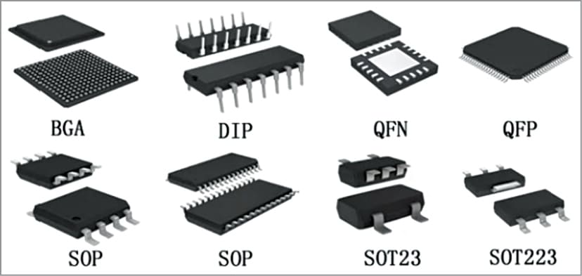
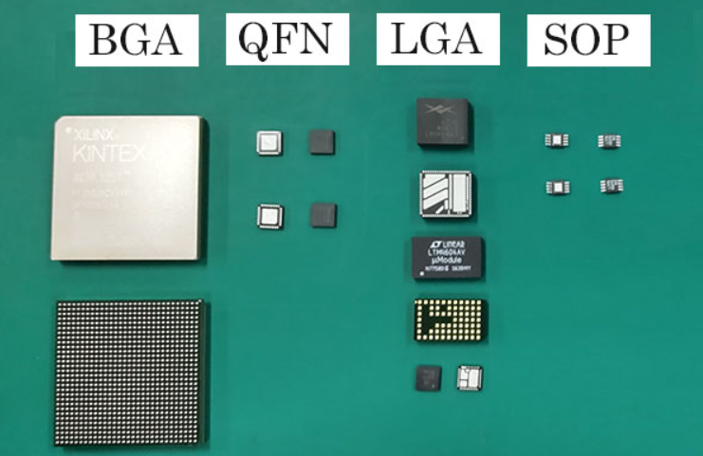

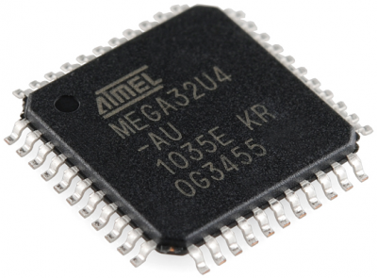
QFP

QFN

